Worksheet
Crop(s) grown within the 12-month Period | Date of Operation | Tillage Method (Implementation Description) | Tillage Depth (inch) | Mixing Efficiency | Instructions for worksheet
Spinach | 2024-08-24 | Coulter-Chisel | 5.9 | 0.5 | Step 1: In columns A to C, enter your crop name and date of field operation, then using dropdown menu, select a tillage method for the operation (same as implementation description). Note: once you select tillage method, values for tillage depth and mixing efficiency will automatically pop up. DO NOT delete or change anything in columns D and E. Step 2: Repeat step 1 to enter all tillage methods used in the crop cycle. Step 3: if you have two crop cycles within a 12-month period regardless of calendar year, enter all tillage used for both crop cycles. Step 4: Once you finish entering all tillage methods in the above steps, select all rows including in columns A to E and sort first by Tillage Depth and then by Mixing Efficiency from small to large (see Screenshot below). Now you can see that tillage depth and mixing efficiency is in the order from shallower to deeper depth and from lower to larger mixing efficiency. Step 5: Select all the content in columns A to C for all information you entered (in this example, from rows 2 to 11), copy and paste them to Tab "Current Tillage System" - the same columns and rows. For proposal tillage methods, follow the same instructions from steps 1 to 4, copy and paste the content in columns A-C to Tab "Proposal Tillage System" to see if it is qualified as Reduced Tillage or No-Till system you plan for.
Spinach (8/24/24 -3/15/25) | 2024-08-26 | Bedder (Disk) | 5.9 | 0.55
Spinach | 2024-09-30 | Bedder Shaper | 5.9 | 0.55
Spinach | 2024-10-01 | Bed Roller | 2.0 | 0.25
Spinach | 2024-11-20 | Cultiweeder | 3.9 | 0.3
Lettuce | 2025-03-15 | Disk Plow | 3.9 | 0.85
Lettuce (3/16/25 - 6/30/25) | 2025-03-16 | Discovator | 1.0 | 0.5
Lettuce | 2025-03-16 | Chisel Plow | 5.9 | 0.3
Lettuce | 2025-03-20 | Bedder Shaper | 5.9 | 0.55
Lettuce | 2025-04-20 | Cultiweeder | 3.9 | 0.3
 |  |  | 0.0 | 0
 |  |  | 0.0 | 0
 |  |  | 0.0 | 0
 |  |  | 0.0 | 0
 |  |  | 0.0 | 0
 |  |  | 0.0 | 0
 |  |  | 0.0 | 0 | Screenshot
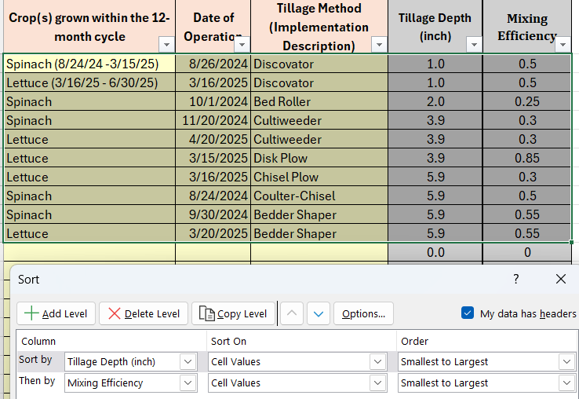
 |  |  | 0.0 | 0
 |  |  | 0.0 | 0
 |  |  | 0.0 | 0
 |  |  | 0.0 | 0
 |  |  | 0.0 | 0
 |  |  | 0.0 | 0
 |  |  | 0.0 | 0
 |  |  | 0.0 | 0
 |  |  | 0.0 | 0
 |  |  | 0.0 | 0
 |  |  | 0.0 | 0
 |  |  | 0.0 | 0
 |  |  | 0.0 | 0
 |  |  | 0.0 | 0
 |  |  | 0.0 | 0
 |  |  | 0.0 | 0
 |  |  | 0.0 | 0
 |  |  | 0.0 | 0
 |  |  | 0.0 | 0
 |  |  | 0.0 | 0
 |  |  | 0.0 | 0
 |  |  | 0.0 | 0
 |  |  | 0.0 | 0
 |  |  | 0.0 | 0
 |  |  | 0.0 | 0
 |  |  | 0.0 | 0
 |  |  | 0.0 | 0
 |  |  | 0.0 | 0
 |  |  | 0.0 | 0
 |  |  | 0.0 | 0
 |  |  | 0.0 | 0
 |  |  | 0.0 | 0
 |  |  | 0.0 | 0
 |  |  | 0.0 | 0
 |  |  | 0.0 | 0
 |  |  | 0.0 | 0
 |  |  | 0.0 | 0
 |  |  | 0.0 | 0
 |  |  | 0.0 | 0
 |  |  | 0.0 | 0
 |  |  | 0.0 | 0
 |  |  | 0.0 | 0
 |  |  | 0.0 | 0
 |  |  | 0.0 | 0
 |  |  | 0.0 | 0
 |  |  | 0.0 | 0
 |  |  | 0.0 | 0
 |  |  | 0.0 | 0
 |  |  | 0.0 | 0
 |  |  | 0.0 | 0
 |  |  | 0.0 | 0
 |  |  | 0.0 | 0
 |  |  | 0.0 | 0
 |  |  | 0.0 | 0
 |  |  | 0.0 | 0
 |  |  | 0.0 | 0
 |  |  | 0.0 | 0

